batchInitiation
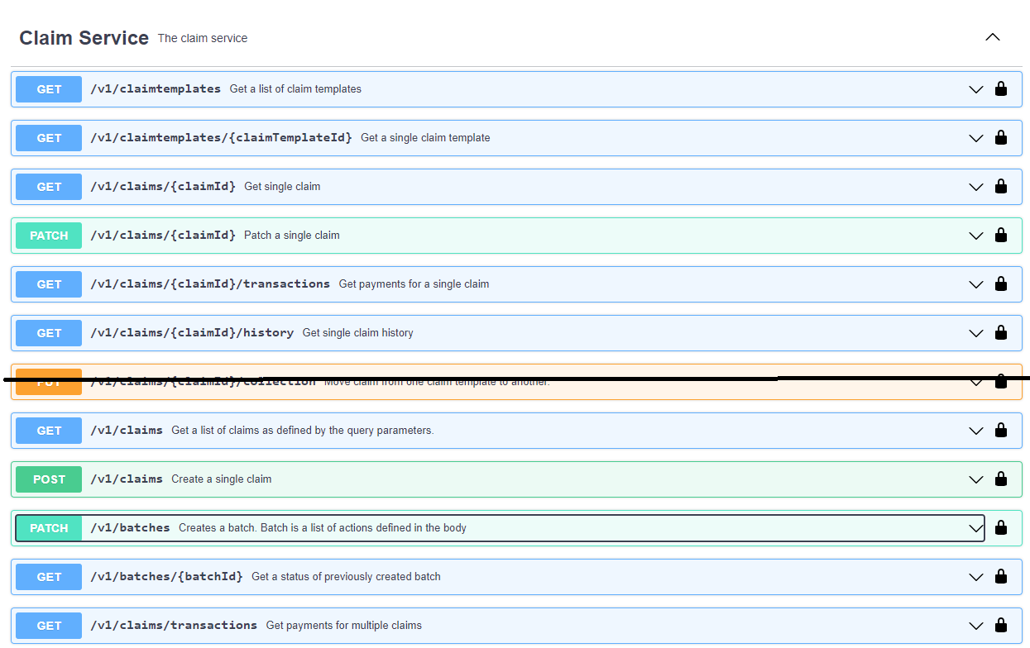

Þurfum ekki,notum Patch á kröfu, sjá línur 81 og 82 í AlterClaim

 |  | Object
POST | /V1/batches | createClaimList | Create claims
PATCH | /V1/batches | mergeClaimList | ReCreate, Alter, Cancel, Transfer and Return claims

